CAR-L
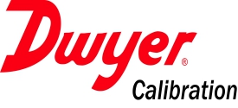 |  |  |  | Dwyer Instruments, Inc. - Michigan City: Engineering Laboratory - LIMS Corrective Action Request Log
CAR# | Originator | Date Generated | Investigator Assigned | Date Due | Date Received | Action Description | Action Assigned to | Final Close-Out Date | Notes | Associated Risk Level | Status (Reserved, To Be Review, Unfinished, In-Progress, Completed, Closed)

